Inbound
 |  |  | Customer called to Bell vita CC number |  |  |  | IT Support Required | S.no | Task
 |  |  | ↓ |  |  |  |  | 1 | Auto Call Back Required as attached methodolgoy on Abadon calls
 |  |  |  |  |  |  |  | 2 | CRM Intigration is required on call landing (DD CRM Automatically needs to be populate)
 |  |  | IVR |  |  |  |  | 3 | Repeat caller History automaticall to be open in CRM
 |  |  | ↓ |  |  |  |  | 4 | All Escalation to be done from System after define TAT
 |  |  |  |  |  |  |  | 5 | SL and AL report to be sent automatically through System
 |  |  | Call Connected to CC Executive |  |  |  |  | 6 | Pending Cases flag off pop pup required into client user ID(Auto Emails CC to Mas Team)
 |  |  | ↓

 |  |  | Welcome Script |  |  |  | Auto Call back
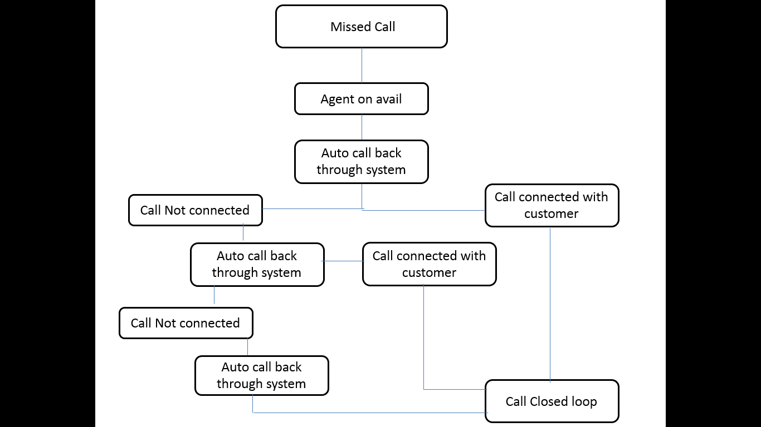
 |  |  | ↓
 |  |  | ↓
 |  |  | ↓
 |  |  | ↓
 | Query |  | Request |  | Complaint

 | ALL ENQUIRY TO BE TAGGED HERE |  | All Request Raised from Customer end |  |  | Logistics department
 | ↓
 | ↓
CLOSE AS ENQUIRY ONLY FUTURE PROSPACT |  | CLOSE AS SALES |  |  |  | Administration

 |  |  |  |  |  | Logistics department/ admin
 |  |  |  | Logistics department

 |  |  |  | Administration

 |  |  |  | Logistics department/ admin

OB
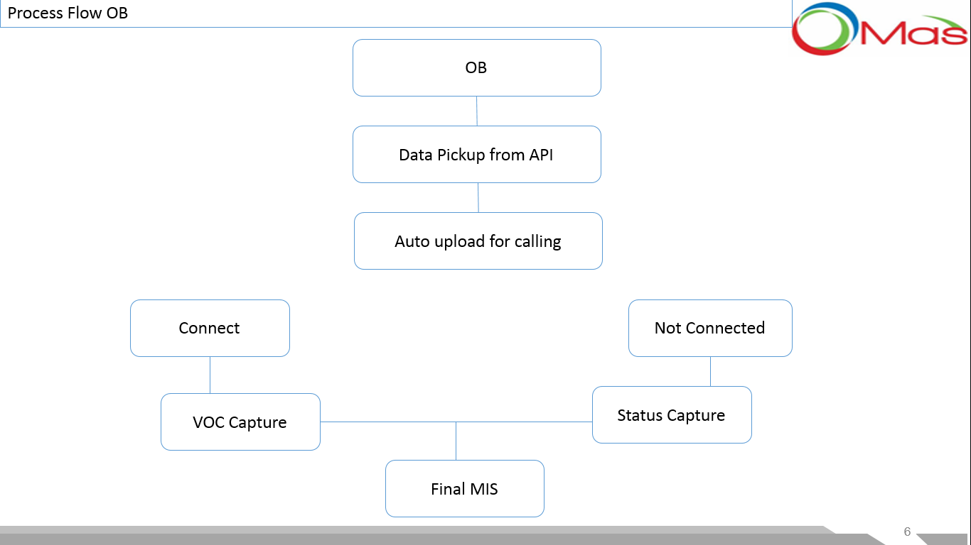
OB | S.no | Particulars
 | 1 | API details has been shared with Krishna ,Clarity is required now from Harsh End
 | 2 | DD CRM intigration is required with OB dialer

